Sheet1
ITEM# | COLOR CODE | IMAGE | 2 | 3 | 4 | 5 | TOTAL
 |  | N/A | XS | S | M | L
L1212.DRD | DRD | 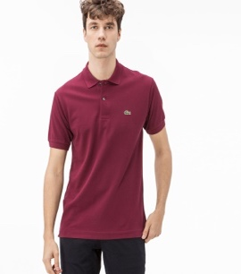 | 63 | 155 | 143 | 1 | 362
L1212.132 | 132 | 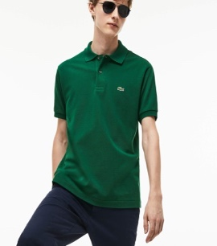 |  | 10 |  |  | 10
L1212.E76 | E76 |  | 142 | 380 | 324 | 25 | 871
L1212.Y29 | Y29 |  | 4 |  | 23 | 2 | 29
L1212.Z1G | Z1G | 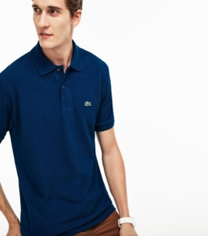 | 101 | 216 | 220 | 20 | 557
L1212.001 | 001 | 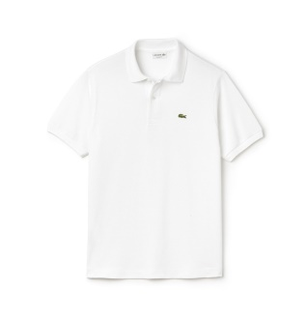 | 152 | 44 | 91 |  | 287
L1212.031 | 031 | 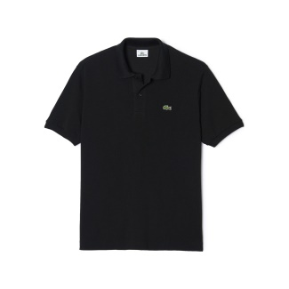 | 222 | 38 | 77 |  | 337
L1212.166 | 166 | 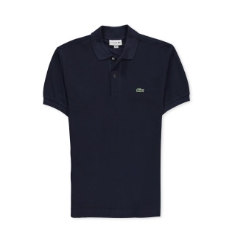 | 107 |  | 70 | 100 | 277
L1212.476 | 476 | 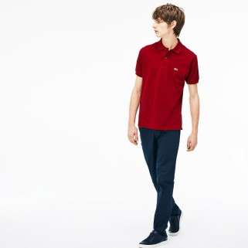 | 2 | 15 | 10 | 15 | 42
L1212.F9F | F9F | 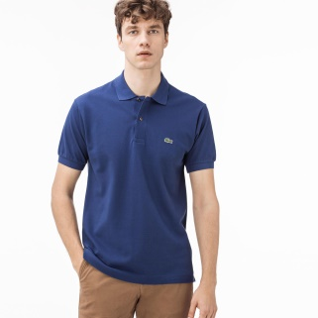 | 126 | 270 | 198 | 24 | 618
L1212.KC8 | KC8 | 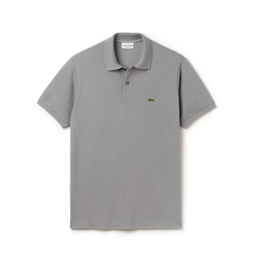 | 235 | 658 | 536 | 103 | 1532
L1212.S2P | S2P | 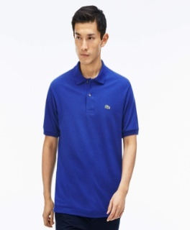 | 110 | 270 | 260 | 110 | 750
L1212.SUA | SUA |  | 174 | 430 | 360 | 36 | 1000
L1212.T01 | T01 |  | 29 | 68 |  |  | 97
L1212.Z7Z | Z7Z | 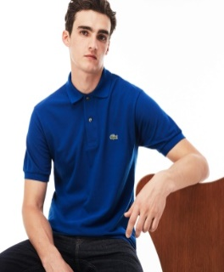 |  | 54 |  |  | 54
L1212.CC3 | CC3 | 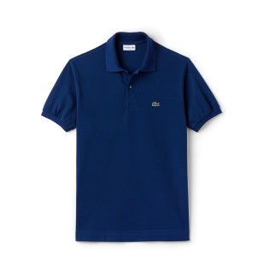 | 189 | 462 | 416 |  | 1067
L1212.F9C | F9C | 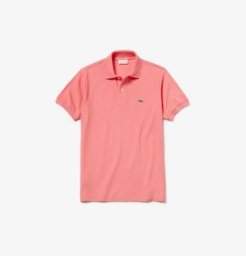 | 82 | 203 | 160 |  | 445
 |  |  |  |  |  |  | 8335

